Cover Page

Talent Attraction
From Where Will I Best Attract Them?

Jun-22

Location: Washington County

WisConomy Example Data
Area | Year | Occupation Code | Occupation | Employment | Mean Wages | Entry wage | Experienced Wage
Brown County | 2020 | 537062 | Laborers and Freight, Stock, and Material Movers, Hand | 2,770 | $15.97 | $12.16 | $17.88
Calumet County | 2020 | 537062 | Laborers and Freight, Stock, and Material Movers, Hand | 700 | $16.50 | $13.80 | $17.85
Dane County | 2020 | 537062 | Laborers and Freight, Stock, and Material Movers, Hand | 3,840 | $17.85 | $13.31 | $20.12
Dodge County | 2020 | 537062 | Laborers and Freight, Stock, and Material Movers, Hand | 720 | $17.36 | $13.39 | $19.34
Fond du Lac County | 2020 | 537062 | Laborers and Freight, Stock, and Material Movers, Hand | 540 | $17.47 | $12.12 | $20.14
Green County | 2020 | 537062 | Laborers and Freight, Stock, and Material Movers, Hand | 340 | $16.67 | $12.23 | $18.89
Jefferson County | 2020 | 537062 | Laborers and Freight, Stock, and Material Movers, Hand | 690 | $16.53 | $13.10 | $18.24
Kenosha County | 2020 | 537062 | Laborers and Freight, Stock, and Material Movers, Hand | 3,380 | $18.23 | $13.04 | $20.83
Manitowoc County | 2020 | 537062 | Laborers and Freight, Stock, and Material Movers, Hand | 730 | $17.72 | $13.36 | $19.90
Milwaukee County | 2020 | 537062 | Laborers and Freight, Stock, and Material Movers, Hand | 9,130 | $17.43 | $12.75 | $19.78
Outagamie County | 2020 | 537062 | Laborers and Freight, Stock, and Material Movers, Hand | 2,400 | $17.67 | $12.67 | $20.16
Ozaukee County | 2020 | 537062 | Laborers and Freight, Stock, and Material Movers, Hand | 900 | $17.24 | $12.20 | $19.76
Racine County | 2020 | 537062 | Laborers and Freight, Stock, and Material Movers, Hand | 1,680 | $17.48 | $12.90 | $19.77
Sheboygan County | 2020 | 537062 | Laborers and Freight, Stock, and Material Movers, Hand | 1,570 | $18.59 | $12.77 | $21.50
Walworth County | 2020 | 537062 | Laborers and Freight, Stock, and Material Movers, Hand | 870 | $17.63 | $12.85 | $20.02
Washington County | 2020 | 537062 | Laborers and Freight, Stock, and Material Movers, Hand | 1,430 | $17.77 | $13 | $20.16
Waukesha County | 2020 | 537062 | Laborers and Freight, Stock, and Material Movers, Hand | 6,410 | $17.90 | $12.73 | $20.49
Winnebago County | 2020 | 537062 | Laborers and Freight, Stock, and Material Movers, Hand | 1,920 | $17.63 | $11.80 | $20.54
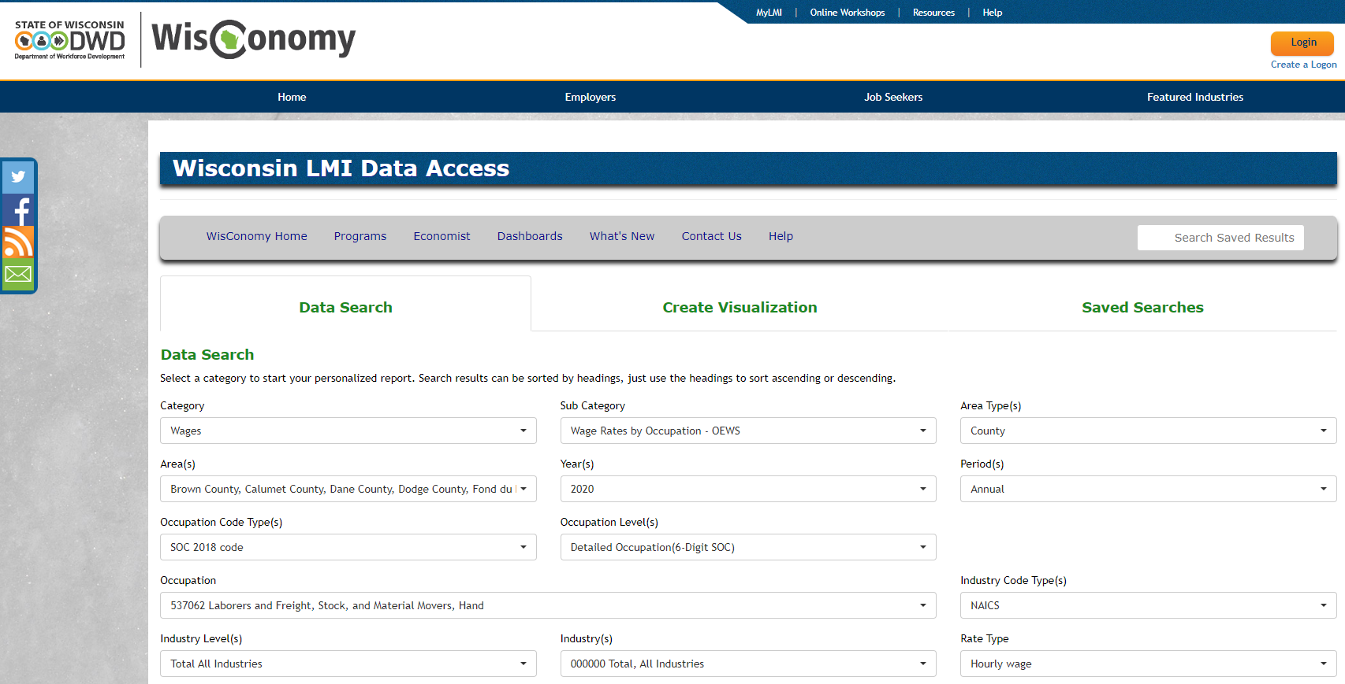
https://www.jobcenterofwisconsin.com/wisconomy/query
Query: June 27, 2022 @ 3:00 pm
Query criteria noted in pasted screen shot here.

